Sheet1
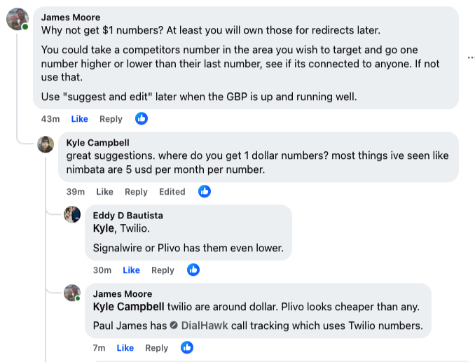
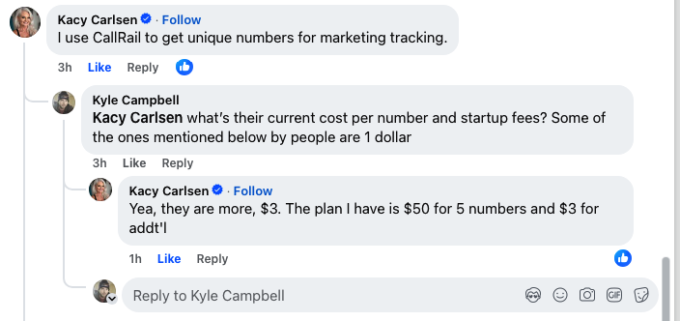
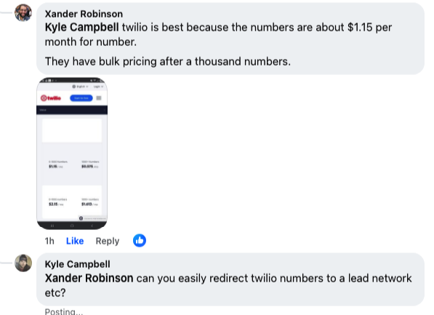
callrail
50 usd per month for 5 numbers - 3 usd per month for additional numbers

nimbata
ringba

twilio
signalwire
plivo

dialhawk (which uses twilio)

signalwire

twilio
sandbagexpert@gmail.com
Jarkno944$

